Beam Blaster
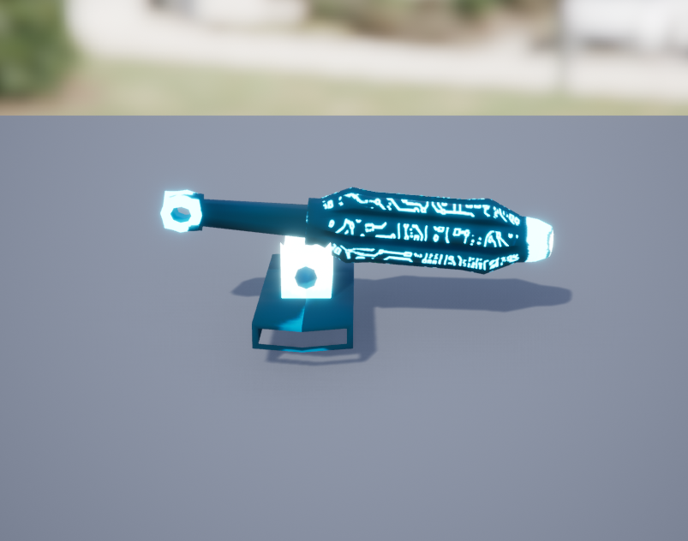
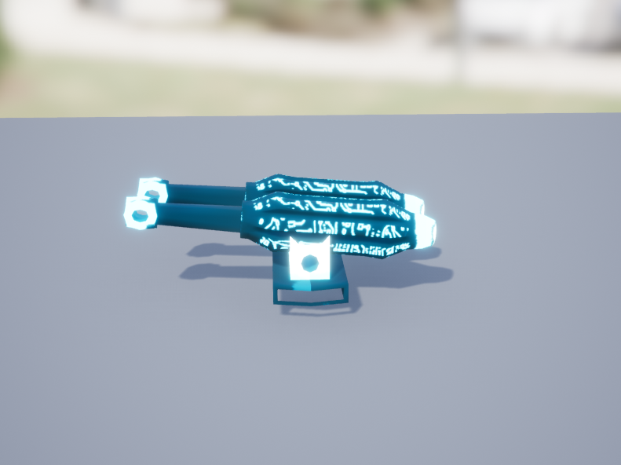
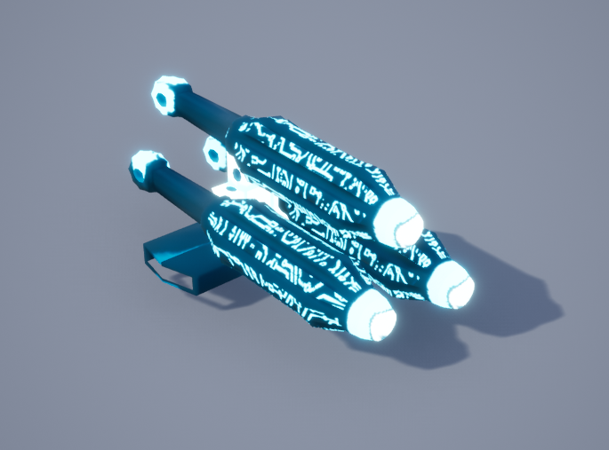
 | Frame đạn ra |  |  |  |  |  | Tower parameter

Level | Left | Top | Right | Level | Scale | Fire Rate | Rotation Speed | Projectile Speed | Range | Damage
1 |  | 7 |  | 1 | 1.5 | 1 | 10 | 45 | 800
2 | 7 |  | 12 | 2 | 1.5 | 1 | 10 | 45 | 900
3 | 21 | 7 | 12 | 3 | 1.5 | 1 | 10 | 45 | 1000

 |  |  |  | Total |  |  |  |  | 3 | 0

 | Level 1 |  |  |  | Level 2 |  |  |  | Level 3

